Sales Analysis
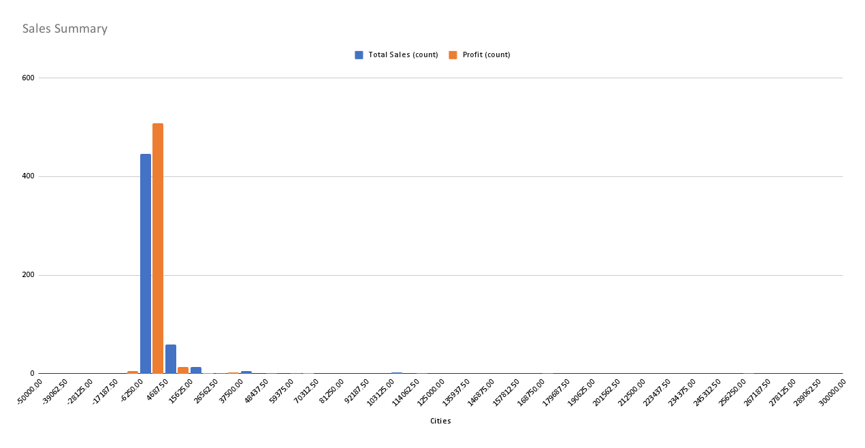

Average Sales
Highest Sales
Lowest Sales
Total Sales

Executive Chart
Monthly Sales Trend

